1. Title Page
[Project Name]

Project Name: Instacart
Date: 19.02.2024
Analyst Name: Mounika Achchannagari

Contents:
Population Flow
Consistency checks
Wrangling steps
Column derivations
Visualizations
Recommendations

2. Population Flow
Title page

Population flow

Exclusion flag
Condition: max_order < 5
Obervations to be removed: 1440295
Final total count of order_products_all: 30964564

Orders_products_combined
Orders_products_merged
Orders_products_all

Total: 32404859
Total: 32434489
Total: 32404859

1.) The grey boxes in the first row of the population flow represent the original data sets as they were when you downloaded them. In the Total fields you need to add the count of the rows when you imported the data set into Jupyter.
2.) The second row of boxes (coloured) represents the data sets after you manipulated them, e.g., removed missing values and duplicates. In the Total fields you need to add the count of the rows after conducting these operations. This offers a visual oveview of how the data flows throughout the data consistency checks.
3.) The third row, where also the arrows are coloured, represents the merges you performed between the datasets. In the Total fields you need to add the count of the rows in the merged datasets, so that you end up with the final dataset (in the red box). Keep in mind the final dataset should be without exclusions (based on the exclusion flag).

3. Consistency checks
 |  |  |  | Title page
Consistency checks

Dataset | Missing values | Missing values treatment | Duplicates
orders | There are 206209 missing values for days_since_prior_order column | No Action Required.'days_since_prior_order' is NaN, it indicates that it is the customer's first order and thus no prior order exists. | No Duplicates
products | There are 16 missing values product name column | Created new dataframe df_prods_clean that excludes missing values. | There are 5 Duplicates
orders_products_prior | No missing Values | ….. | No Duplicates
customers | There are 11259 missing values first name column | No Action Required. First name is not required for further analysis. | No Duplicates

6. Visualizations
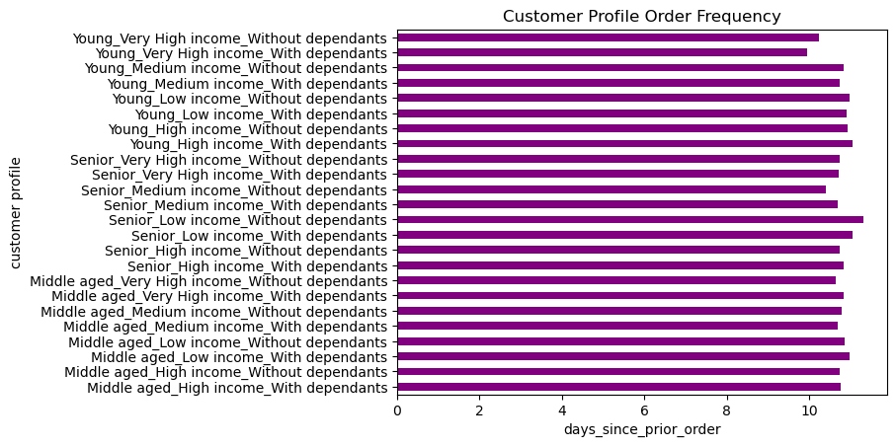
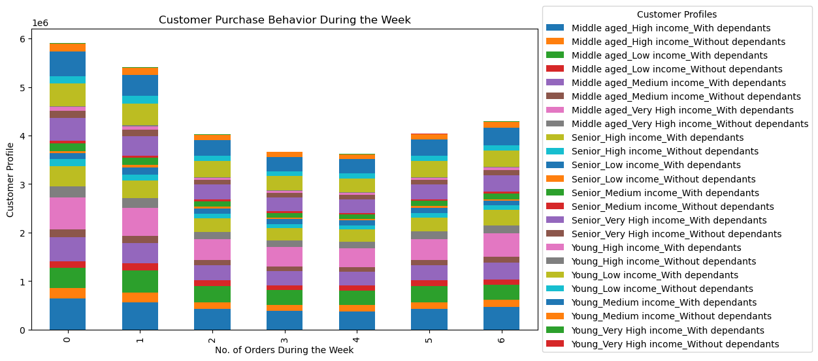
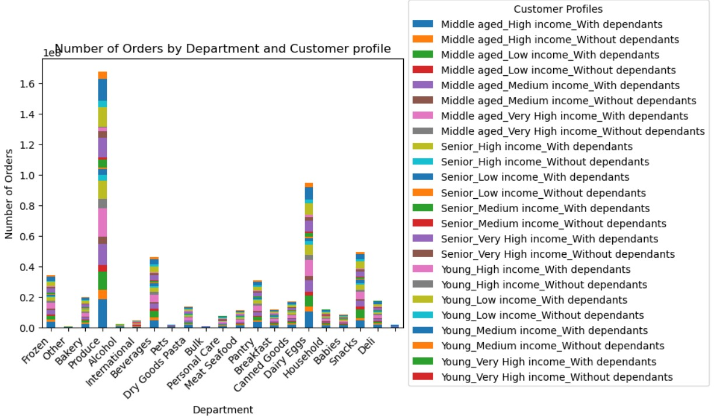
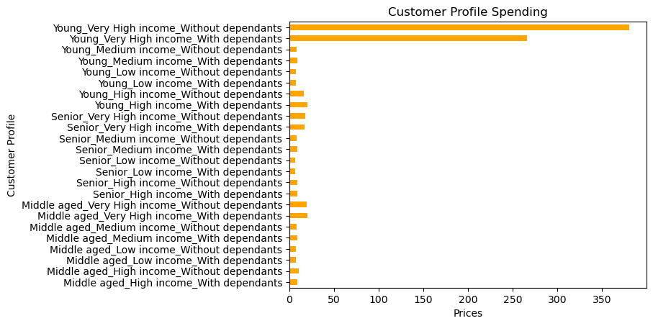
Title page

Visualisations

1.The sales team needs to know what the busiest days of the week and hours of the day are (i.e., the days and times with the most orders) in order to schedule ads at times when there are fewer orders.

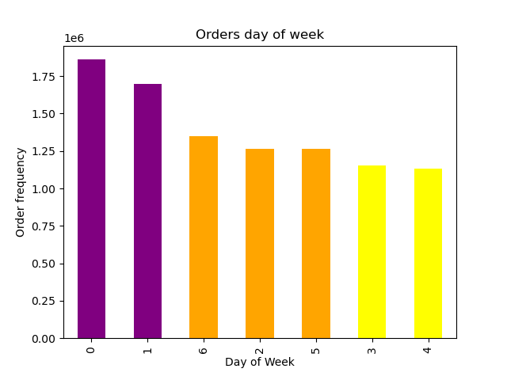


2.They also want to know whether there are particular times of the day when people spend the most money, as this might inform the type of products they advertise at these times.

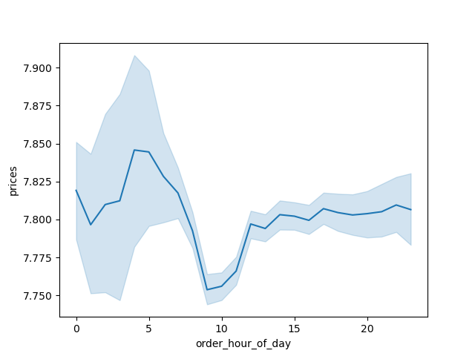
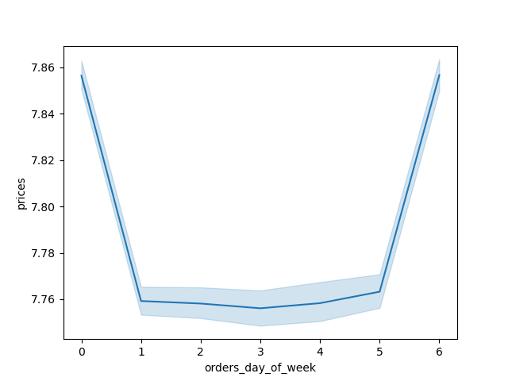
spending per hour

3.Instacart has a lot of products with different price tags. Marketing and sales want to use simpler price range groupings to help direct their efforts.



prices

4.Are there certain types of products that are more popular than others? The marketing and sales teams want to know which departments have the highest frequency of product orders.

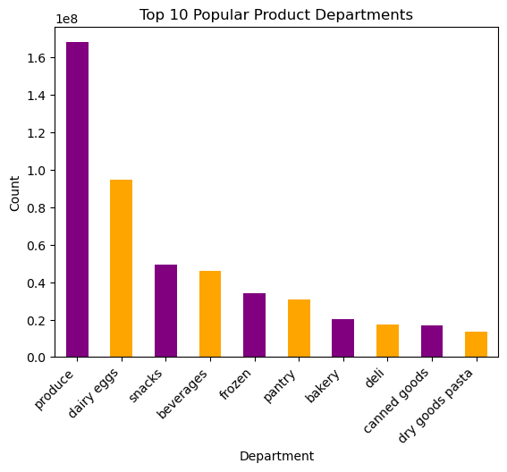
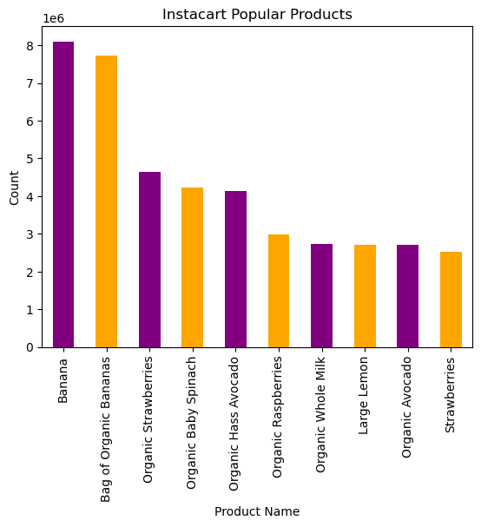

5.What’s the distribution among users in regards to their brand loyalty (i.e., how often do they return to Instacart)?

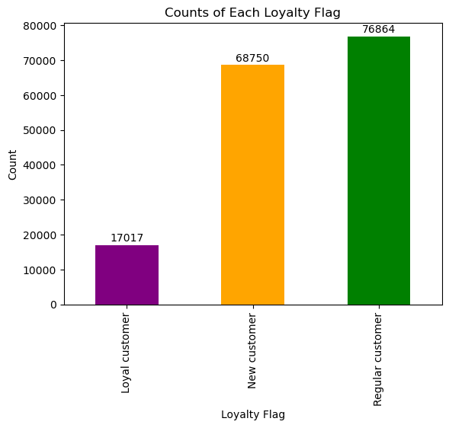
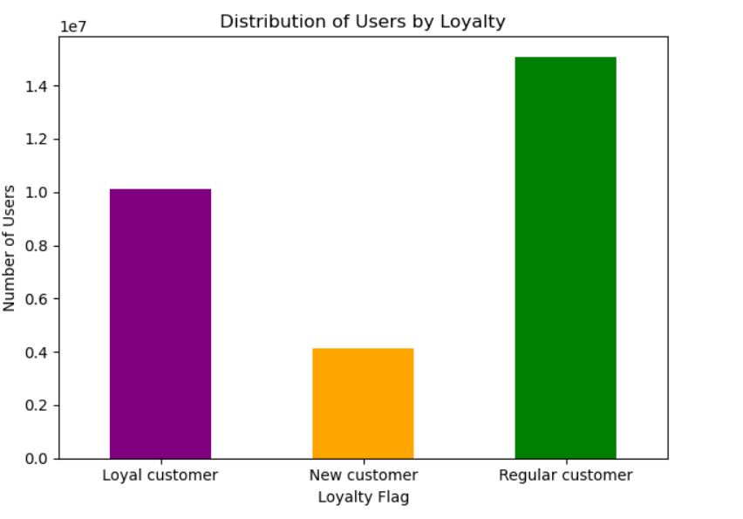

6.Are there differences in ordering habits based on a customer’s loyalty status

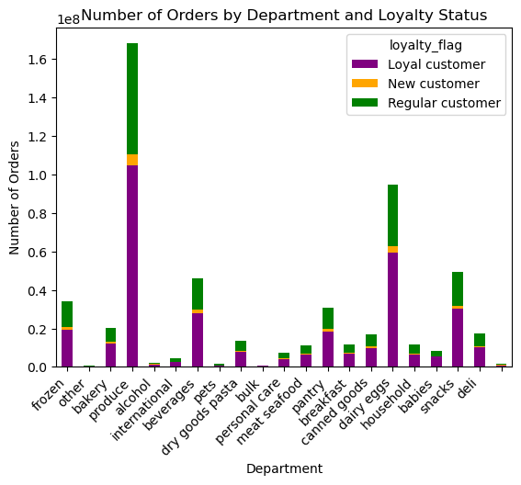
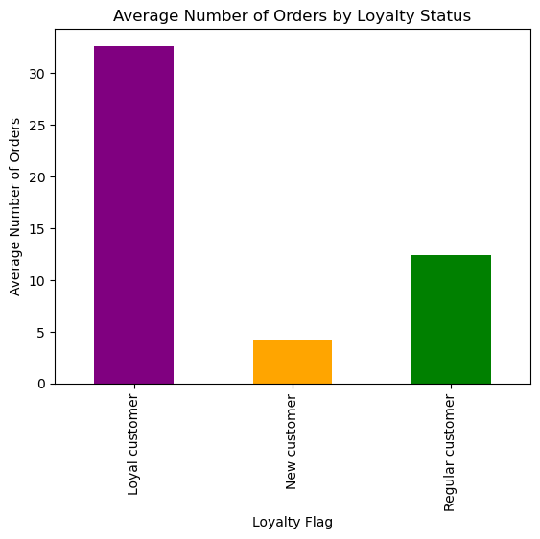

7.Are there differences in ordering habits based on a customer’s region?

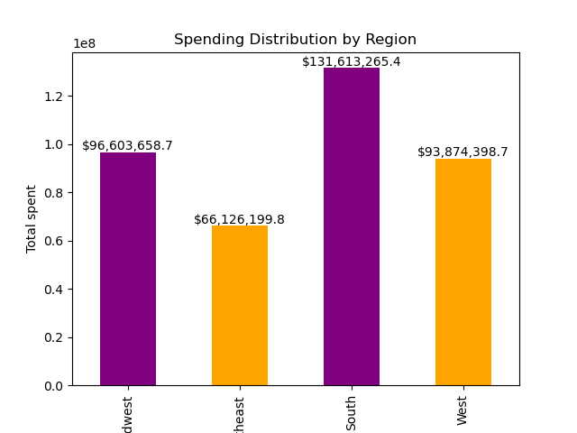
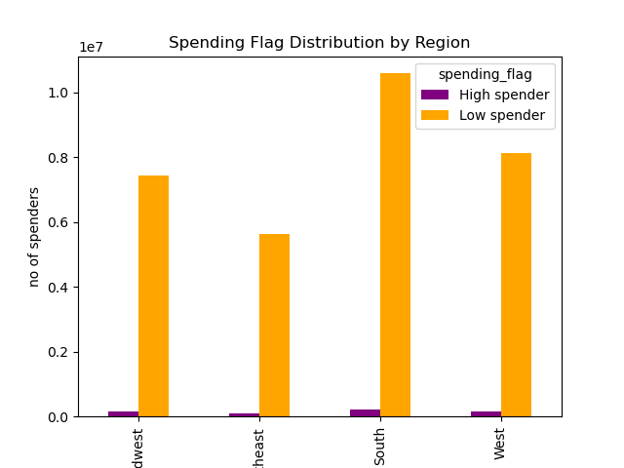

8.Is there a connection between age and family status in terms of ordering habits?

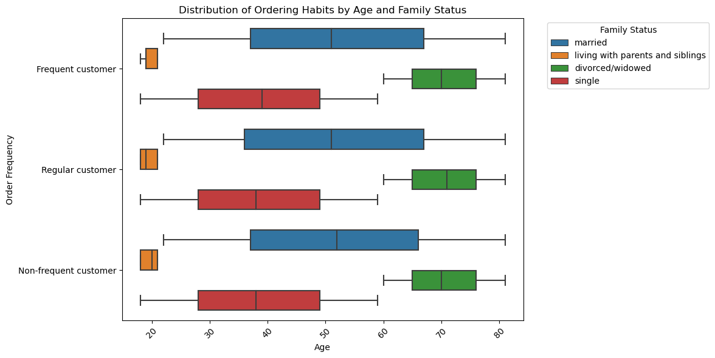

9.What different classifications does the demographic information suggest? Age? Income? Certain types of goods? Family status?



10.What differences can you find in ordering habits of different customer profiles? Consider the price of orders, the frequency of orders, the products customers are ordering.

5. Column derivations
 |  |  |  | Title page

Column derivations and aggregations

In this tab you should add tables below that the frequences of flags/label variables that you produced after deriving them. NB: don't do this for continuous variables, only for flags.
Dataset | New column | Column/s it was derived from | Conditions
ords_prods_merge | price_range_loc | prices | prices <= 5: 'Low range product' price > 5 and <= 15: 'Mid range product' price >15: 'High range product'

ords_prods_merge | busiest_day | orders_day_of_week | value == 0: 'Busiest day' value == 4: 'Least busy' else: 'Regularly busy'
ords_prods_merge | busiest_days | orders_day_of_week | value == 0 or 1: 'Busiest days' value == 4 or 3: 'Slowest days' else: 'Regular days'
ords_prods_merge | busiest_period_of_day | order_hour_of_day | for value in ords_prods_merge["order_hour_of_day"]: if value in [10, 11, 14, 15, 13, 12, 16, 9]: result.append("Most orders") elif value in [17, 8, 18, 19, 20, 7, 21, 22]: result.append("Average orders") else: result.append("Fewest orders")
ords_prods_merge | loyalty_flag | max_order | max order >40 : Loyal Customer max order<=40 and max order >=10: Regular customer max order <10 : new customer
ords_prods_merge | spending_flag | mean_product_price | mean_prices >= 10: 'High spender' mean_price <10: 'Low spender'
ords_prods_merge | order_frequency | median_days_between_orders | median_orders_interval > 20: 'Non-frequent customer' median_orders_interval <= 20 and >10: 'Regular customer' median_orders_interval <= 10: 'Frequent customer'
ords_prods_customer | region | state | Wikipedia
ords_prods_customer_clean | income_category | income | income >128k: 'very High income' income <= 128k: 'High income' income < 98k and >= 67k: 'Middle income' income < 67k: 'Low income'
ords_prods_customer_clean | age_category | age | age < 33: 'Young ' age >=33 and < 65: ''middle aged' age >=65:'senior'

4. Wrangling steps
 |  |  |  | Title page
Wrangling steps

Columns dropped | Columns renamed | Columns' type changed | Comment/Reason
Orders Data:
eval_set |  |  | Not Required
 | 'orders_dow' --> 'orders_day_of_week' |  | Easy to understand
 |  | Order_id to string
Customer Data: | fam_status'->'family_status' |  | Easy to understand
 | 'Surnam' --> 'last_name' |  | Easy to understand
 | n_dependants' -> 'dependants' |  | Easy to understand
 | STATE' --> 'state' |  | Easy to understand
 |  | date_joined to date time type

7. Recommendations
 |  | Title page

Recommendations

Questions | Answers
1.The sales team needs to know what the busiest days of the week and hours of the day are in order to schedule ads at times when there are fewer orders. | The busiest days for orders are Saturday and Sunday, while the busiest hours are from 9 AM to 4 PM. Therefore, scheduling ads during weekdays, particularly in the mornings and evenings, could help reach customers during less busy times and potentially increase ad effectiveness.
2.They also want to know whether there are particular times of the day when people spend the most money, as this might inform the type of products they advertise at these times. | The peak spending times are between 4 AM and 5 AM, particularly on Fridays and Saturdays. To optimize product advertisements, focus on promoting high-value or premium products during these hours to capture customers' attention and maximize sales potential.
3.Instacart has a lot of products with different price tags. Marketing and sales want to use simpler price range groupings to help direct their efforts. | Mid-range products experience the highest sales, while products priced above $15 exhibit lower sales volumes. Simplifying price range groupings to emphasize mid-range products could enhance marketing and sales efforts, potentially leading to increased overall revenue.
4.Are there certain types of products that are more popular than others? The marketing and sales teams want to know which departments have the highest frequency of product orders. | Produce and Dairy Eggs are the most popular departments, with the highest frequency of product orders. Focusing marketing and sales efforts on these departments could capitalize on their popularity and potentially drive further sales growth.
5.Are there differences in ordering habits based on a customer’s loyalty status | Ordering habits vary based on customer loyalty status, with loyal customers placing orders most frequently, followed by regular customers and then new customers.
6.Are there differences in ordering habits based on a customer’s region? | Ordering habits vary based on customer region, with the South generating the highest revenues, followed by the Midwest, West, and finally the Northeast.
7.What different classifications does the demographic information suggest? Age? Income? Certain types of goods? Family status? | People in 40 years plus age group has higher income when compared to the age group 20-40.
8.What differences can you find in ordering habits of different customer profiles? Consider the price of orders, the frequency of orders, the productscustomers are ordering. | Young adult-Very high income-Have dependants' and 'Young adult-Very high income-No dependants' spents the highest. Produce, Diary eggs and snacks are more sales then other products. Seniors low income with dependants and seniors hogh income without dependants and are ordering more frequently

